KSP (CHICKEN)
DATE | INV NO. | DESCRIPTIONS | QTY | BILLS | PRICE | SUB TOTAL | TOTAL
2025-11-04 | B00330/PRN-R/2025 | BONELESS BREAST TK SP | 7.9 | 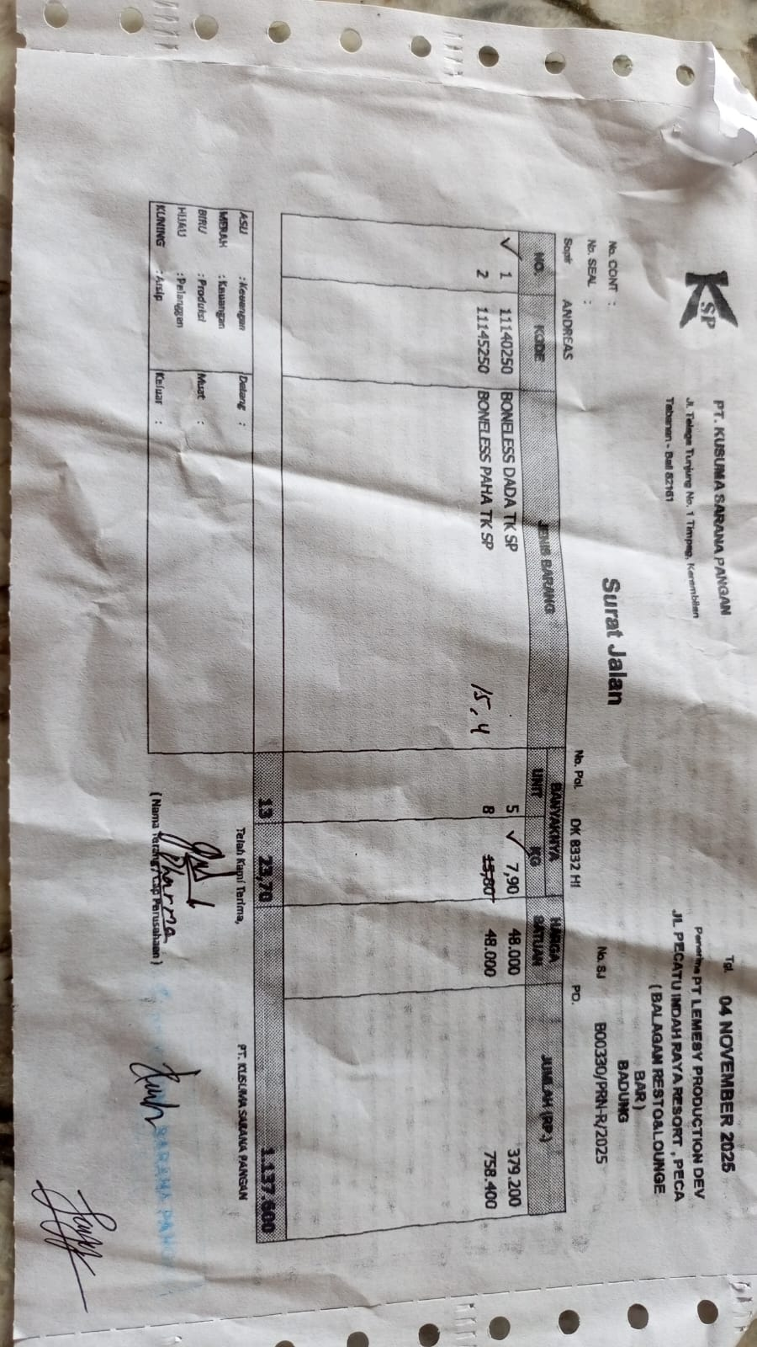 | IDR 48,000 | IDR 379,200 | IDR 1,118,400
 |  | BONELESS LEG TK SP | 15.4 |  | IDR 48,000 | IDR 739,200
2025-11-07 | B00355/PRN-R/2025 | BONELESS BREAST TK SP | 5.8 | 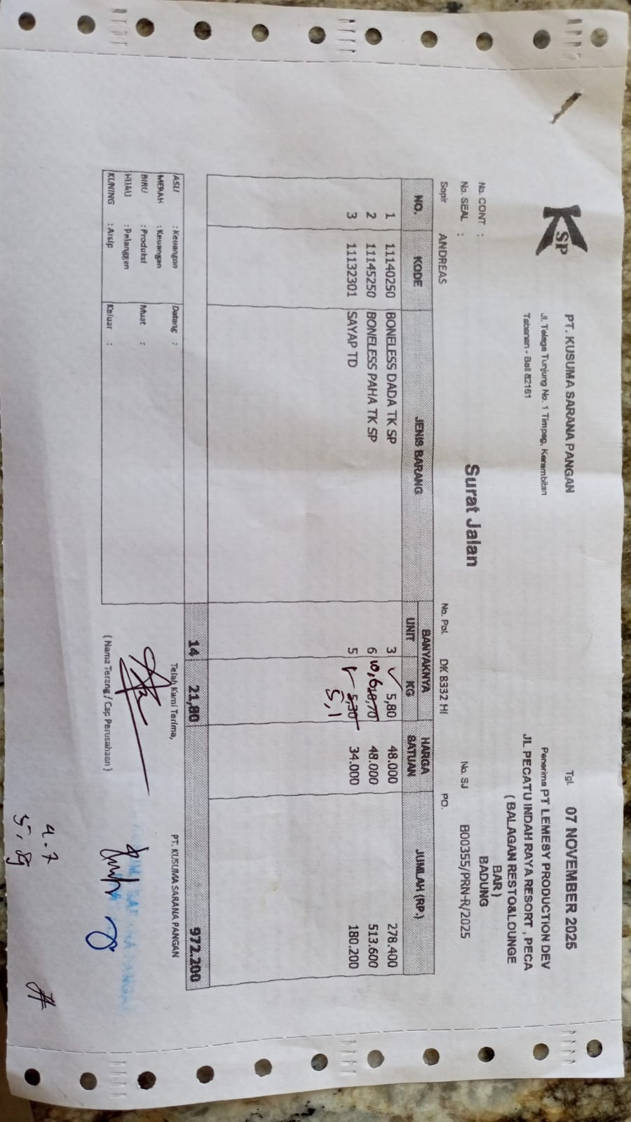 | IDR 48,000 | IDR 278,400 | IDR 960,600
 |  | BONELESS LEG TK SP | 10.6 |  | IDR 48,000 | IDR 508,800
 |  | WING TD | 5.1 |  | Rp34,000 | IDR 173,400
2025-11-14 | B00418/PRN-R/2025 | BONELESS BREAST TK SP | 5.8 | 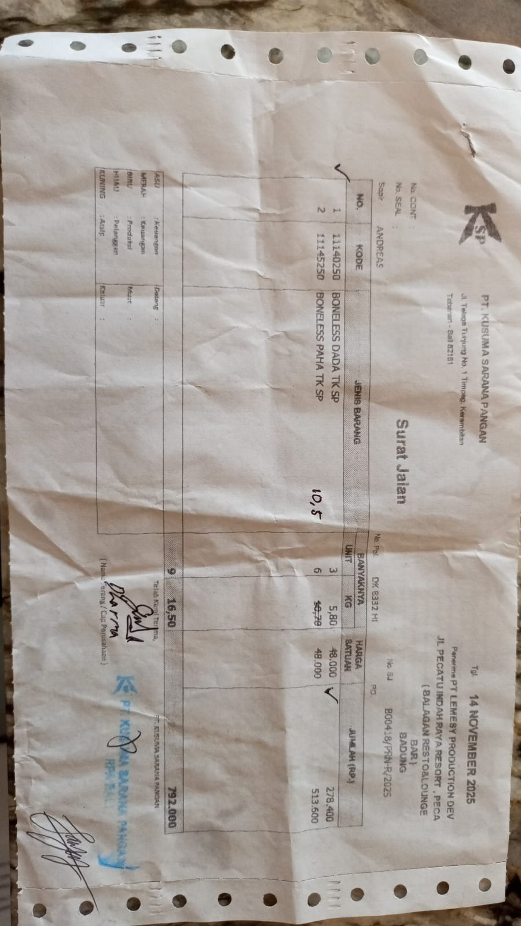 | Rp48,000 | IDR 278,400 | Rp782,400
 |  | BONELESS LEG TK SP | 10.5 |  | Rp48,000 | IDR 504,000
2025-11-19 | B14829/2025M | BONELESS BREAST TK SP FROZEN | 4.85 | 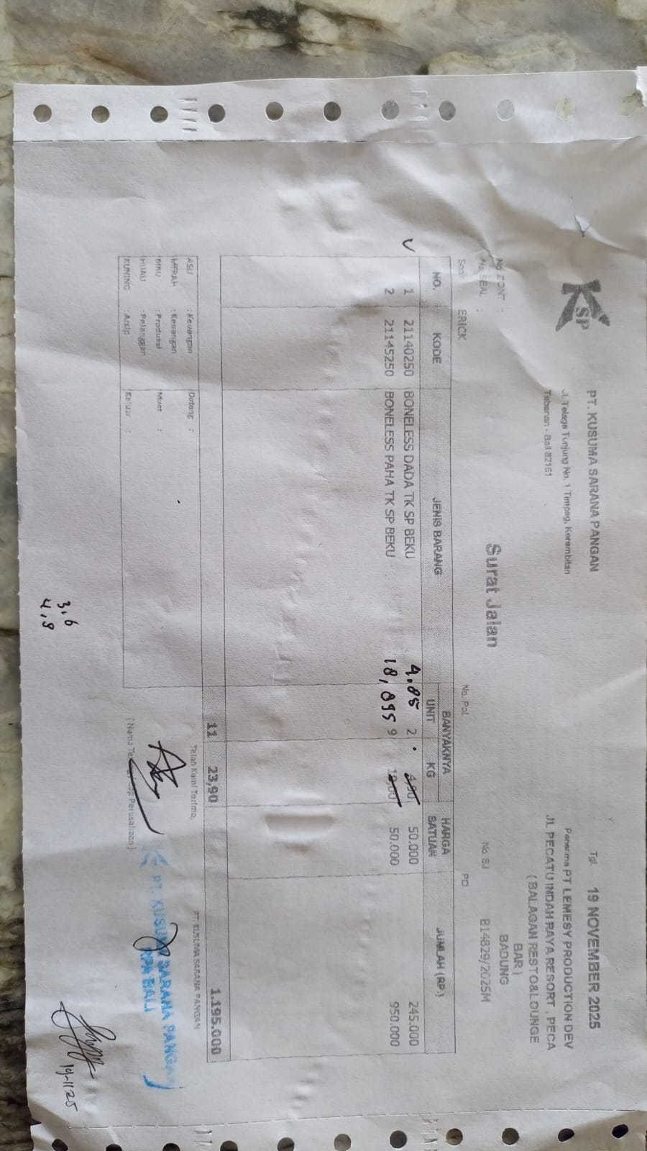 | Rp50,000 | Rp242,500 | Rp1,187,250
 |  | BONELESS LEG TK SP FROZEN | 18.895 |  | Rp50,000 | Rp944,750
2025-11-28 | B00475/PRN-R/2025 | BONELESS BREAST TK SP | 5.6 | 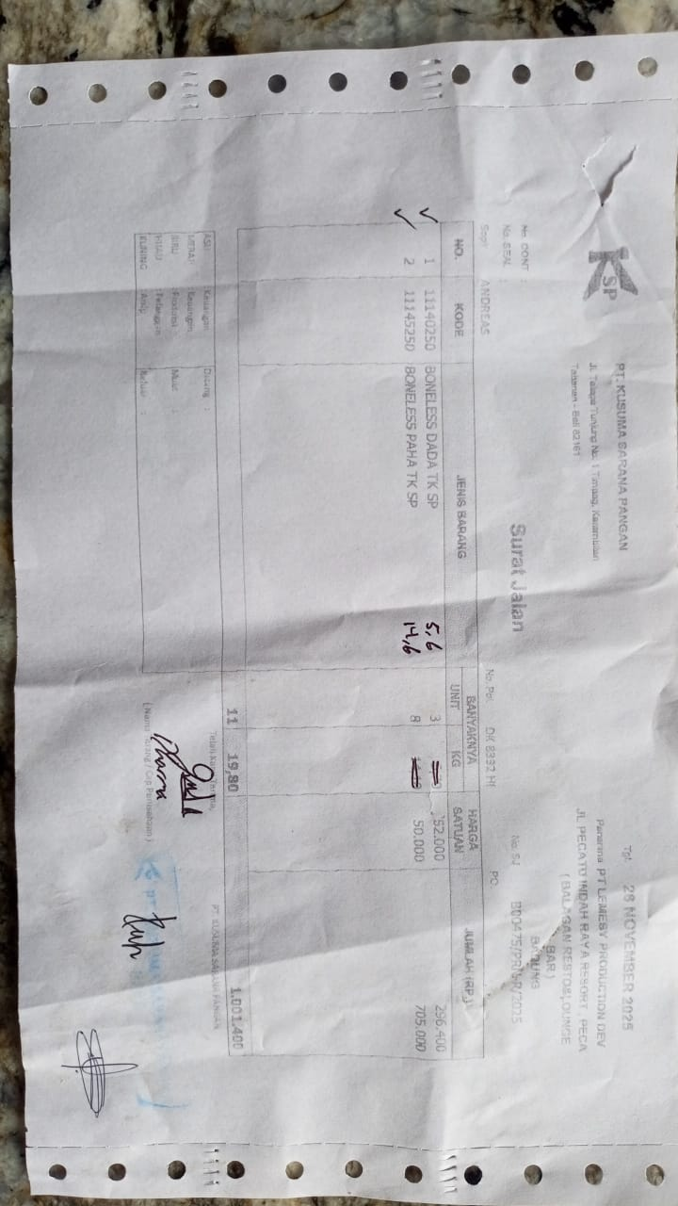 | Rp52,000 | Rp291,200 | Rp1,021,200
 |  | BONELESS LEG TK SP | 14.6 |  | Rp50,000 | Rp730,000
 |  |  |  |  |  |  | Rp5,069,850

